Car Rental
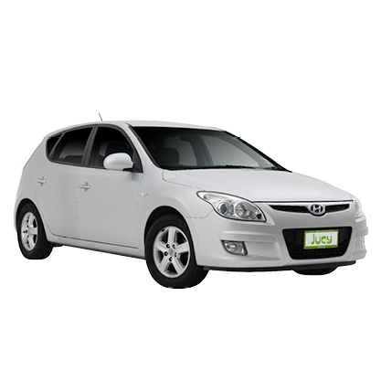
Vehicle Type
Styla | Vehicle: Hyundai i30 or similar
Pick up
23/06/2017 12:00pm, from Auckland City | Seats: 5 x Seatbelts
Drop off | Body Style: 5-Door Hatch or Wagon
03/07/2017 12:00pm, from Christchurch Airport JUCY Rental office | Luggage: 2 Large, 2 Small
Daily rate | Engine Size: 1.6 - 2.0 Litre
10 Days @ NZD $28.80 $288.00 | Cylinders: 4 inline
1076 | Fuel Usage: +/- 7 L / 100km
Excess Reduction & Extras | Fuel Type: Diesel or Petrol (not guaranteed)
Premium Location Fee - Auckland Airport $10.00 | Transmission: Automatic
Stress Free - Car ( $17.00 Daily x 10 ) $170.00
Interislander Ferry Adult Fare ( x 4 ) $288.00 | Length: 4.30m - 4.50m
Interislander Ferry Car Fare $170.00 | Width: 1.80m
Skoot GPS + WIFI ( $15.00 Daily x 10 ) $150.00
Total Cost $1,076.00 | Weight: 1,400.00kg
Credit Card Fee ( 2% of $1,076 ) $21.52
Total Cost $1,097.52

